Certificate
Minstry of Higher Education & Scientific Research |  |  |  |  |  |  | 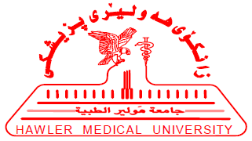

Hawler Medical University

College of Medicine

 |  |  | CME Credits Certificate

 | This is to certify that Dr. |  |  | Ass. Lecturer |  |  | Ass. Lecturer |  | In the
 | Department of |  | Medicine |  | has earned |  | 2 | CME Credits
 | during | 2013-2014 |  | Academic year, |  | 2 | Credits are from active
 | participations.

Ass.Prof.Ali Al-Dabbagh |  |  |  |  |  | Ass.Prof.Marwan Al-Shukur
Dean of the college |  |  |  |  |  | Head of CME Committee

